Fine Tuning
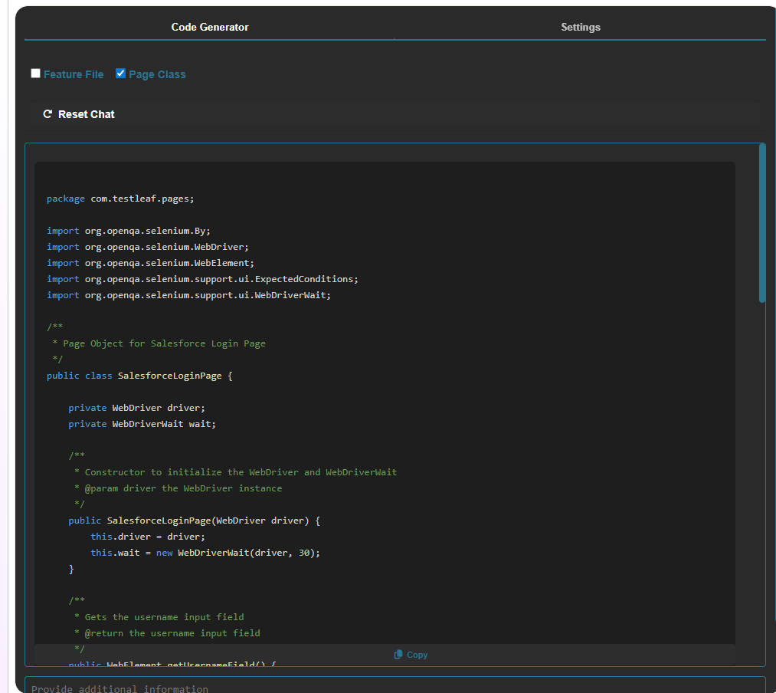
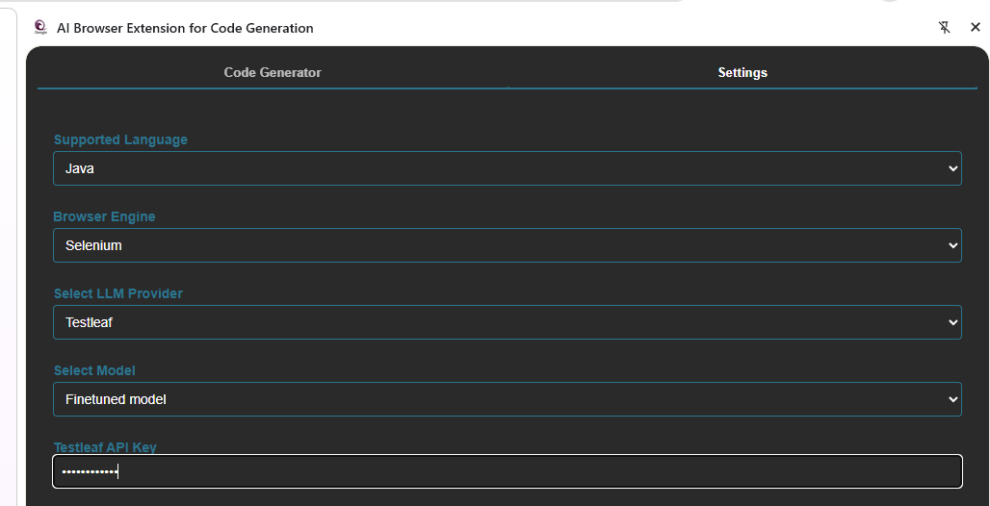
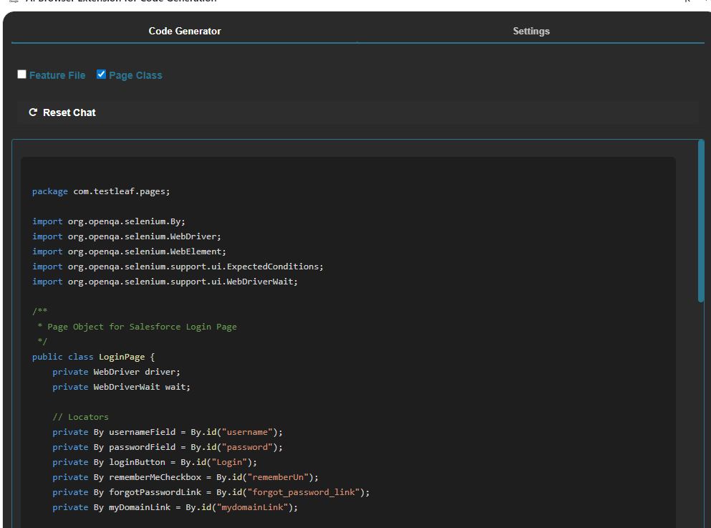
Uploaded jsonl file and created file ID

Created API Key

Since the server was down, I haven't created a fine-tuning job

Fine-Tuned Model: ft:gpt-4o-mini-2024-07-18:qeagle-1::D7bXRJPX | Updated popup.js file with the given keys
API Key: ClzYk9IC7B75

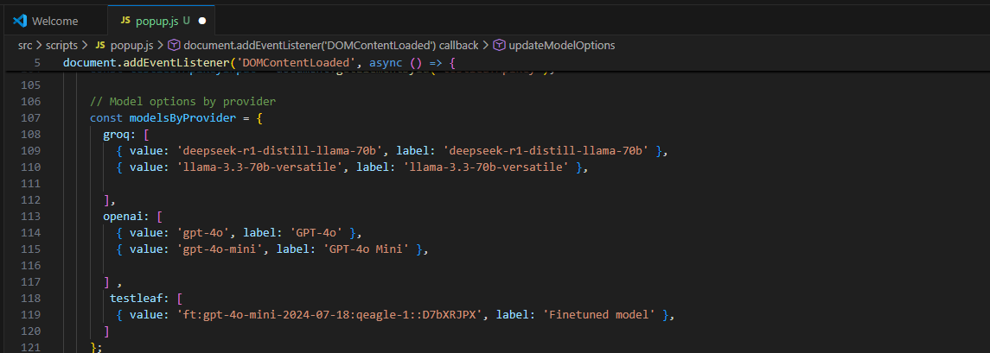

Removed and loaded the ai extention again

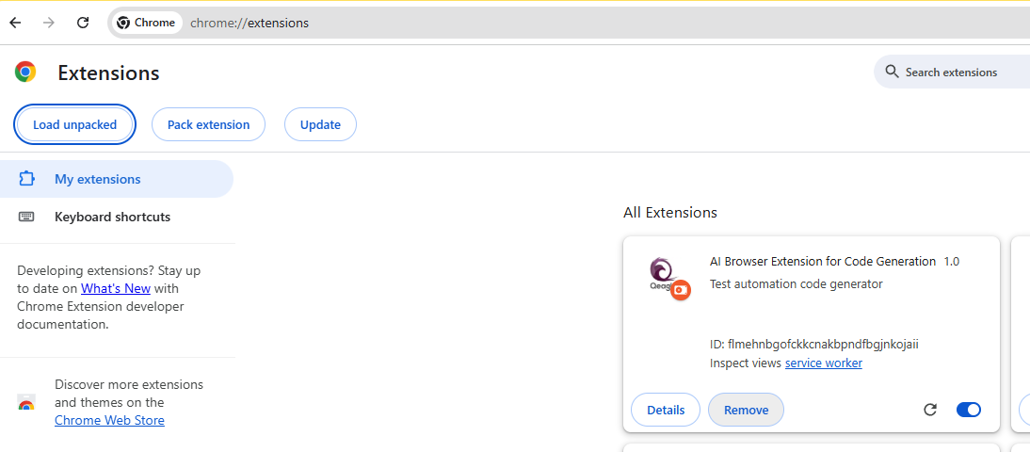

With groq model (llama-3.3-70b-versatile), the page class implementation
 |  | with FT model page class implementation

